ฟอร์ม
Summary Audit Result | Input Form

Show Results |  | Audit Report TUV |  |  | Audit Report TUV
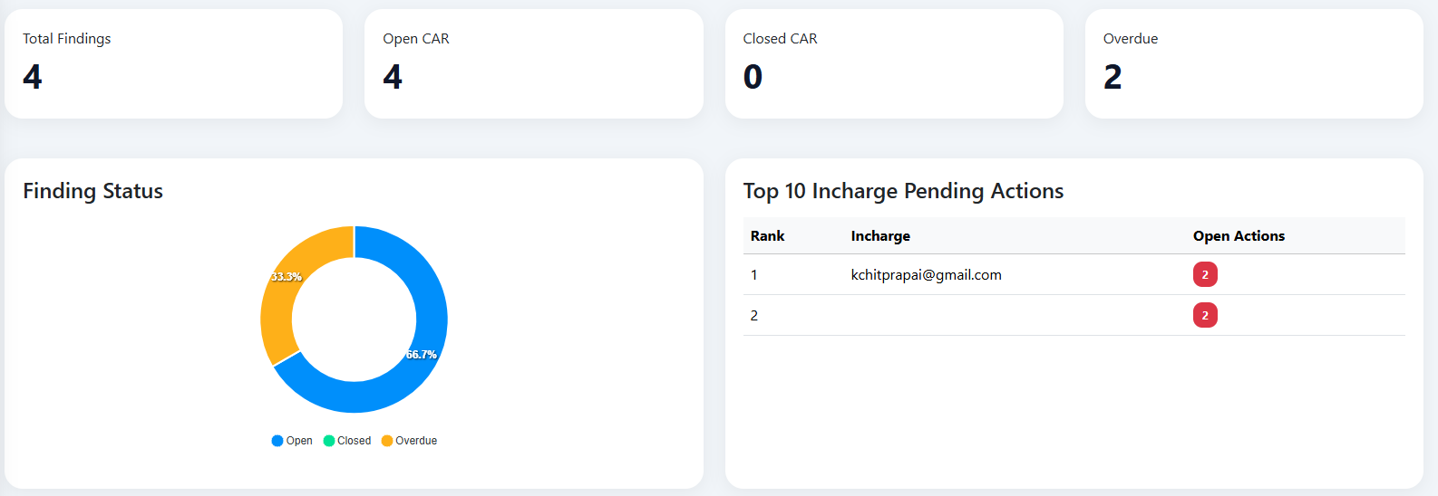
 |  | Audit_Date | Input Date |  | Audit_Date | Input Date

 |  | Plant | Dropdown select | HMM | Plant | Dropdown select | HMM
 |  |  |  | Lopburi |  |  | Lopburi

 |  | Details | Input Details |  | Details | Input Details

 |  | Report file | Attached files |  | Report file | Attached files

 |  |  |  |  | Finding
 |  | Finding | สามารถเพิ่มได้หลาย Finding Items | nc1 (Major NC) | Finding items | Dept In charge | CAR(Internal) | CAR(Internal) Details | 5 why | 5 why Details | CAR In charge (Email) | CAR Dead Line | CAR Internal Dead Line | Status CAR Internal | Evidence Dead Line | Evidence Status | Follow-up 1 | Follow-up 2 | Follow-up 3 | Yoko-ten Schedule Files & Details
 |  |  |  | nc2 (Minor NC) HMM
Datatable |  |  |  | nc2 (Minor NC) LPB
 |  |  |  | OFI HMM
 |  |  |  | OFI LPB
 |  |  |  | Comment HMM
 |  |  |  | Comment LPB

 |  | Dept In charge | Dropdown select | PC
 |  |  |  | MC
 |  |  |  | QC
 |  |  |  | PRON'D
 |  |  |  | ENG
 |  |  |  | PE
 |  |  |  | Tooling
 |  |  |  | ISO

 |  | CAR(Internal) | Attached files
 |  | CAR(Internal) Details | Input Details

 |  | 5 why | Attached files
 |  | 5 why Details | Input Details

 |  | CAR In charge (Email) | Email List

 |  | CAR Dead Line | Input Date

 |  | CAR Internal Dead Line | Input Date

 |  | Status CAR Internal | Dropdown select | Close
 |  |  |  | Open

 |  | Evidence Dead Line | Input Date

 |  | Evidence Status | Dropdown select | Close
 |  |  |  | Open

 |  | Follow-up 1 | Text box

 |  | Follow-up 2 | Text box

 |  | Follow-up 3 | Text box

 |  | Yoko-ten Schedule Files & Details | Attached files
 |  |  | Input Details

